Zadatak
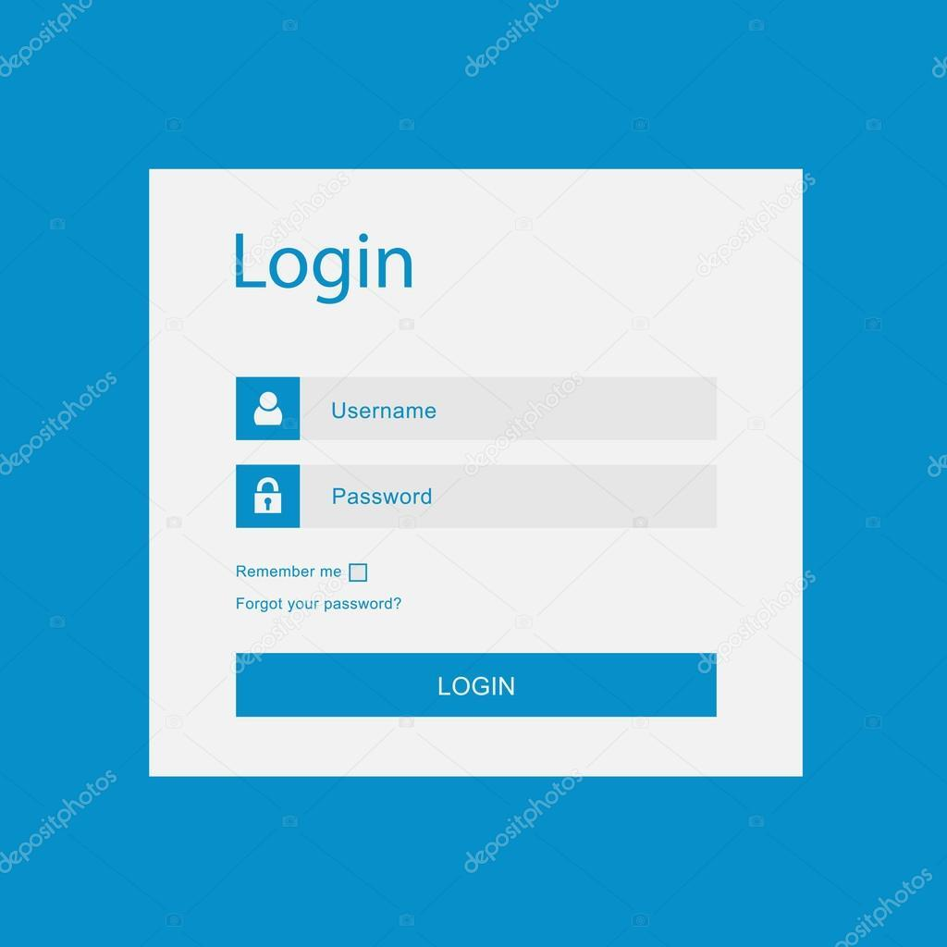

Napisati 5 test kejseva za prilozenu sliku
Jedini validan username je "username" sa sifrom "password1"
Klikom na "Login" dugme se redirektujete na homepage
Checkbox "Remember me" moze da bude stiklirano ili ne, kako bi se korisnik ulogovao
Dugme "Forgot your password?" vodi na forgotten password stranicu.

